ورقة1
Transportation
Data Table |  | Stores
 |  | Albany | Boston | Cleveland | Capcity
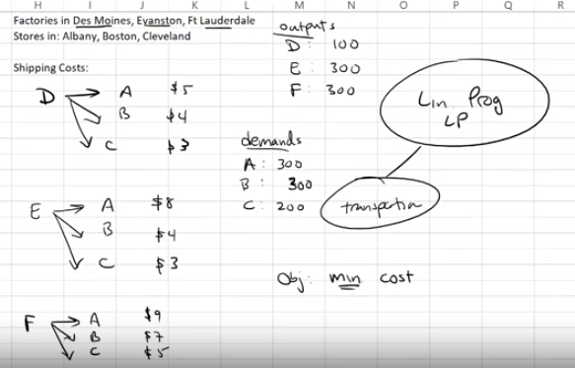
Factory | Des Moines | 5 | 4 | 3 | 100
 | Evanston | 8 | 4 | 3 | 300
 | Ft lauderdale | 9 | 7 | 5 | 300
 | Demand | 300 | 200 | 200

Data Variable |  | Stores
 |  | Albany | Boston | Cleveland | Capcity
Factory | Des Moines | 100 | 0 | 0 | 100
 | Evanston | 0 | 200 | 100 | 300
 | Ft lauderdale | 200 | 0 | 100 | 300
 | Demand | 300 | 200 | 200

objective | MIN
Total Cost | 3900
 |  |  | Interpreation
 |  |  | ship 100 from des to albany and 200 and 100 to boston and cleveland lastly 200, and 100 from ft to albany and cleveland.

